Sheet1
Question 1
End of Period Cash Flow |  |  |  |  |  | Discount Rate | NPV A | NPV B
Year | Project A | Project B | Difference |  |  | 0% | $25,000.00 | $40,000.00
0 | $(100,000.00) | $(100,000.00) | $- |  |  | 1.00% | $21,335.78 | $33,205.20
1 | $25,000.00 | $- | $25,000.00 |  |  | 2.00% | $17,836.49 | $26,802.31
2 | $25,000.00 | $- | $25,000.00 |  |  | 3.00% | $14,492.68 | $20,765.23
3 | $25,000.00 | $- | $25,000.00 |  |  | 4.00% | $11,295.56 | $15,069.79
4 | $25,000.00 | $- | $25,000.00 |  |  | 5.00% | $8,236.92 | $9,693.66
5 | $25,000.00 | $140,000.00 | $(115,000.00) |  |  | 6.00% | $5,309.09 | $4,616.14
IRR | 7.931% | 6.961% | 5.669% |  |  | 7.00% | $2,504.94 | $(181.93)
 |  |  |  |  |  | 8.00% | $(182.25) | $(4,718.35)
 |  |  |  |  |  | 9.00% | $(2,758.72) | $(9,009.61)
 |  |  |  |  |  | 10.00% | $(5,230.33) | $(13,071.01)
My graph is slightly different than the video because the video is outdated. My values and visualization is the same in accuracy. |  |  |  |  |  | 11.00% | $(7,602.57) | $(16,916.81)
 |  |  |  |  |  | 12.00% | $(9,880.59) | $(20,560.24)
 |  |  |  |  |  | 13.00% | $(12,069.22) | $(24,013.61)
 |  |  |  |  |  | 14.00% | $(14,172.98) | $(27,288.39)
 |  |  |  |  |  | 15.00% | $(16,196.12) | $(30,395.26)
 |  |  |  |  |  | 16.00% | $(18,142.66) | $(33,344.18)
 |  |  |  |  |  | 17.00% | $(20,016.35) | $(36,144.44)
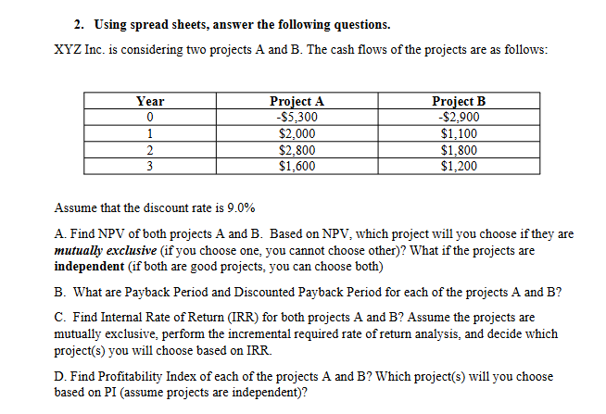
 |  |  |  |  |  | 18.00% | $(21,820.72) | $(38,804.71)
 |  |  |  |  |  | 19.00% | $(23,559.13) | $(41,333.09)
 |  |  |  |  |  | 20.00% | $(25,234.70) | $(43,737.14)

Question 2 | Part A. |  | Discount Rate | 9%
Year | Project A | Project B
0 | -5300 | -2900
1 | 2000 | 1100
2 | 2800 | 1800
3 | 1600 | 1200
NPV | 127.06 | 550.82
If the projects are mutually exclusive then project B is the btter choice since the higher NPV generates greater value. However, if the projects are independent, then I would pick both since both have a positive NPV.

Part B.
Year | Project A | Project B | Discount Factor | Discounted CF A | Discounted CF B | Cumulative CF A | Cumulative CF B | Discounted Cum CF A | Discounted Cum CF B
0 | -5300 | -2900 | 1 | -5300 | -2900 | -5300 | -2900 | -5300 | -2900
1 | 2000 | 1100 | 0.91743119266 | 1834.86 | 1009.17 | -3300 | -1800 | -3465.1376147 | -1890.8256881
2 | 2800 | 1800 | 0.84167999327 | 2356.70 | 1515.02 | -500 | 0 | -1108.4336335 | -375.80170019
3 | 1600 | 1200 | 0.77218348006 | 1235.49 | 926.62 | 1100 | 1200 | 127.05993457 | 550.81847588

 | Years | Part C. |  |  | Incremental Required Rate of Return
Payback Period A | 3 | Project A. | 10.38% |  | 2400
Payback Period B | 2 | Project B. | 19.16% |  | -900
Discounted Payback A | 3 |  |  |  | -1000
Discounted Payback B | 3 |  |  |  | -400
 |  | Project A. |  |  | -2% | Do not switch to Proj. B based on this analysis

Part D. | NPV | Initial Investment | PI
Proj A | 127.06 | 5300 | 1.024
Proj B | 550.82 | 2900 | 1.190
Both are profitable since the values are over 1. Therefore, both can be chosen.

Question 3
Bivion Air Cargo is considering an investment of $10 million to purchase facilities with
the life expectancy of 10 years, and an annual operating cost of $400,000 in year 1. The
operating cost is expected to increase by $50,000 every year after the first year through the
life of the project. Bivion Air Cargo anticipates a stream of $2.5 million in revenue per
year from the project for 10 years. Using 12% opportunity cost of capital, decide whether
the project is economically justified. Please show work for at least two investment criteria.

Year | Revenue | Operating Cost | Net Cash Flow | Discount Factor | Discounted Cash Flow |  | Rate | NPV | IRR
0 |  |  | $(10,000,000.00) | 1.00000000 | $(10,000,000.00) |  | 12% | $852,763.92 | 14.15%
1 | $2,500,000.00 | $400,000.00 | $2,100,000.00 | 0.89285714 | $1,875,000.00
2 | $2,500,000.00 | $450,000.00 | $2,050,000.00 | 0.79719388 | $1,634,247.45
3 | $2,500,000.00 | $500,000.00 | $2,000,000.00 | 0.71178025 | $1,423,560.50 |  |  | Since both NPV is positive and IRR is greater than the required rate 12%, this project is economically justified.
4 | $2,500,000.00 | $550,000.00 | $1,950,000.00 | 0.63551808 | $1,239,260.25
5 | $2,500,000.00 | $600,000.00 | $1,900,000.00 | 0.56742686 | $1,078,111.03
6 | $2,500,000.00 | $650,000.00 | $1,850,000.00 | 0.50663112 | $937,267.57
7 | $2,500,000.00 | $700,000.00 | $1,800,000.00 | 0.45234922 | $814,228.59
8 | $2,500,000.00 | $750,000.00 | $1,750,000.00 | 0.40388323 | $706,795.65
9 | $2,500,000.00 | $800,000.00 | $1,700,000.00 | 0.36061002 | $613,037.04
10 | $2,500,000.00 | $850,000.00 | $1,650,000.00 | 0.32197324 | $531,255.84

Question 4
Year | Cash Flow | Positive CF | Negative CF | Discounted value | Discount Factor |  | Discount Rate | PV of Negative CF's | PV of Positive CF's
0 | $(53,000.00) |  | $(53,000.00) | -53000 | 1 |  | 11%
1 | $16,700.00 | $16,700.00 |  | 15045.045045 | 0.9009009009 |  |  |  | $25,351.78
2 | $21,900.00 | $21,900.00 |  | 17774.531288 | 0.81162243324 |  |  |  | $29,951.12
3 | $27,300.00 | $27,300.00 |  | 19961.52471 | 0.7311913813 |  |  |  | $33,636.33
4 | $20,400.00 | $20,400.00 |  | 13438.111873 | 0.65873097415 |  |  |  | $22,644.00
5 | $(8,600.00) |  | $(8,600.00) | -5103.68142 | 0.59345132806 |  |  | 57597.91
 |  |  |  |  |  |  |  | Sum of Positive CF's | $111,583.22
 |  |  |  |  |  |  |  | MIRR | 13.94%

